Screen
UN-TRAINED_STAR | TRAINED-STAR
Broadcast

DHCP-Process

Unicast

DNS

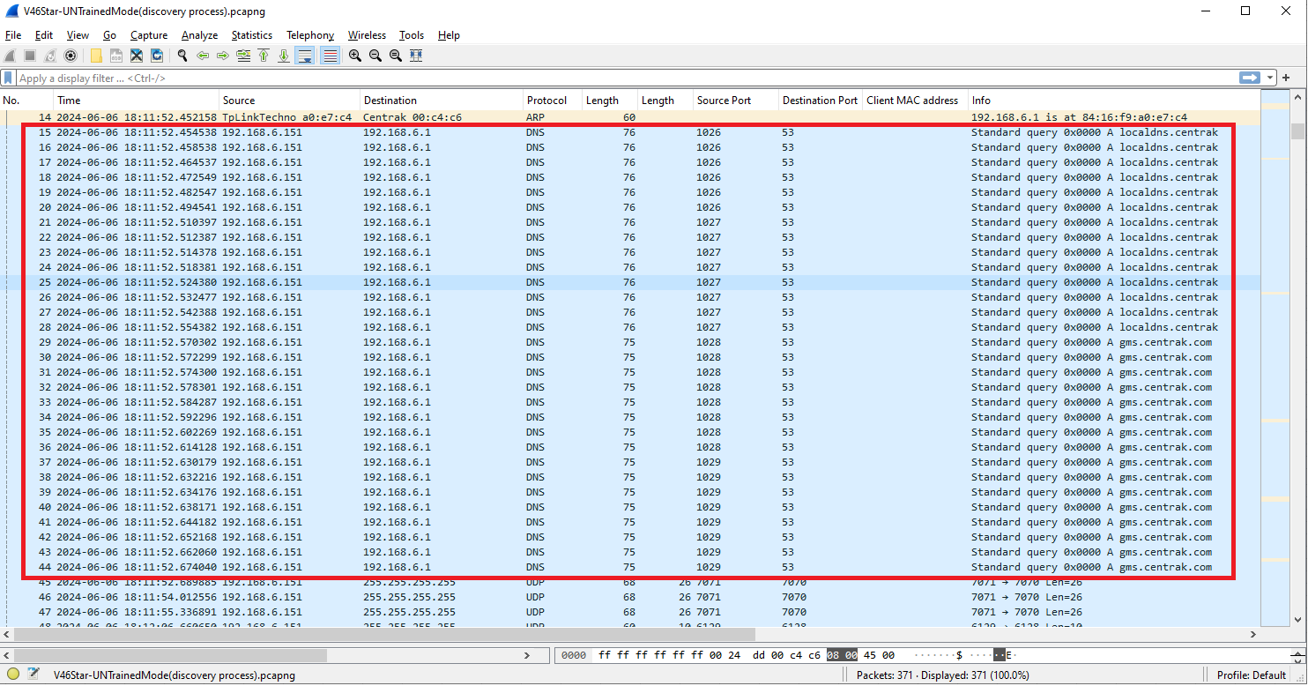
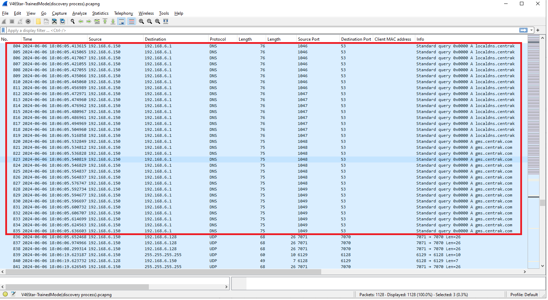

Broadcast | Unicast

Debug Message

Broadcast

